2. Budget Guidance
Output-Based Budget - Guidance

 | Key
 |  | Requires input (if applicable)
DO NOT EDIT |  | Auto-populated. Quarterly totals. Grant claims will be made on a quarterly basis and will correspond to these values
DO NOT EDIT |  | No input required
DO NOT EDIT |  | Auto-populated, inputs valid
DO NOT EDIT |  | Auto-populated, inputs not valid

Please read the below overview before completing the budget sheet

1. Budget Sheet Overview

If adding extra rows, ensure the formula in the "Q Total Cost" rows are correct
NB.
Q1 Total Cost = Sum (Apr, May, Jun)

2. Add a new entry for each individual person and include the name of the person to allow cross referencing of rates provided.
1. The project outputs should match those listed in your Project Theory of Change.

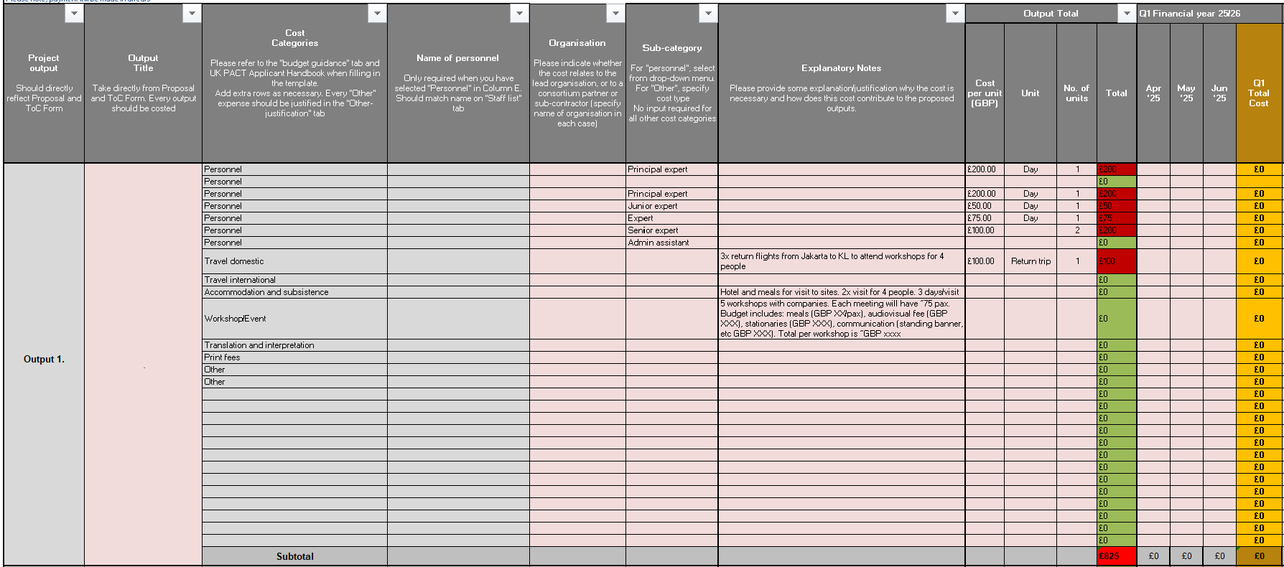

3. More rows can be added as necessary however, particular care should be taken to ensure the correct cell formula are added to the new rows.

4. Expand the spreadsheet as required by clicking on the "+" to enter budget for more outputs.

NB. The number of output entries is not a guide to how many entries there should be. Only use the rows that your require.

2. Output Detail: How to enter the budget
The breakdown of the total cost of each line for the specific output should be demonstrated here.
The "Total" column will return as green if the monthly breakdown sums to the total, and red if it does not.
If the cell is red, an error in the monthly cost breakdown has been made and should be checked.
The 'number of Units' that are expected to be required for the specific output.

The total cost of each cost for the whole output is calculated here.

'Units' (these can be 'Days' for personnel, 'Trip' for travel accomodation, or 'Event/Package' for workshop, etc.)

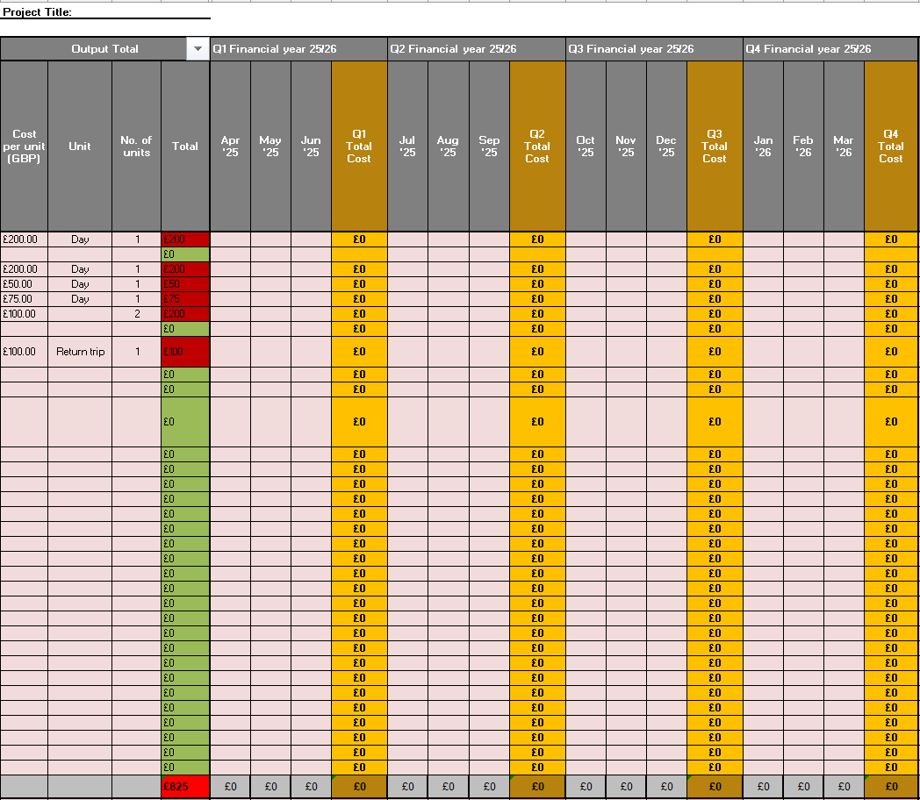

The expected Unit Cost (in GBP)

The output total should equal sum of each Quarterly total .

Workplan
Workplan

GRANT WORKPLAN AND MILESTONES |  |  |  | Financial Year 2025 -2026 |  |  |  |  |  |  |  |  |  |  |  | Financial Year 2026 - 2027

Outputs and other workstreams List the individual outputs that you plan to deliver as you have listed in your Proposal and Project ToC form. In addition to these, you should make sure you incorporate workstreams related to project management, monitoring evaluation and learning, communications and gender, equality and social inclusion. | Activities and milestones linked to achievement of output List the activities that you will carry out in order to achieve each output, for example all of the activities that will lead up to the delivery of an individual training or a specific report, and highlight when a milestone is delivered. | Deliverables/evidences linked to each activity List the deliverables or evidences that you will submit for each proposed activity. | Delivery Partner responsible for activity | Q1 |  |  | Q2 |  |  | Q3 |  |  | Q4 |  |  | Q1 | Q2 | Q3 | Q4
 |  |  |  | 2025-04-01 | 2025-05-01 | 2025-06-01 | 2025-07-01 | 2025-08-01 | 2025-09-01 | 2025-10-01 | 2025-11-01 | 2025-12-01 | 2026-01-01 | 2026-02-01 | 2026-03-01

Output 1. | 1.1 | 1.1 |  |  | X | O
 | 1.2 | 1.2
 | 1.3 | 1.3
 | 1.4 | 1.4 |  | X | M
 | 1.5 | 1.5 |  |  | X
Output 2. | 2.1 | 2.1
Enter an 'X' in a cell to show when an activity towards a milestone or output is occurring.
Enter an 'M' where a milestone is delivered.
Enter an 'O' where a final output is delivered.
Cells will colour automatically
 | 2.2 | 2.2
 | 2.3 | 2.3
 | 2.4 | 2.4
 | 2.5 | 2.5
Output 3. | 3.1 | 3.1
 | 3.2 | 3.2
 | 3.3 | 3.3
 | 3.4 | 3.4
 | 3.5 | 3.5
Output 4. | 4.1 | 4.1
 | 4.2 | 4.2
 | 4.3 | 4.3
 | 4.4 | 4.4
 | 4.5 | 4.5
 | 4.6 | 4.6
Output 5. | 5.1 | 5.1
 | 5.2 | 5.2
 | 5.3 | 5.3
 | 5.4 | 5.4
 | 5.5 | 5.5
Project Management activities (Inputs that don't directly relate specifically to one output)

